Terms
Terms:

Surviving: In this guide, "surviving" includes people who died after the deceased (post-deceased). In other words, a person who was alive when the deceased died is treated as surviving, even if they died later. Their share passes to their own estate.

Post-deceased: When an heir post-deceases, their share does not automatically go to their children, but to their estate. The distribution of the post-deceased heir's share will be governed by their last will, trust, or their country's/state's intestacy rules. It is therefore important to find out whether the post-deceased heir had a last will or trust and who the personal representative is. If there is a will or trust in place, only the personal representative needs to be signed!

Per Stripes (By Representation) The estate is first divided into family branches with the closest relatives of the decedent receiving an equal share. Within each branch: • If the closest relatives are deceased, their share is divided equally among their children • Whenever there is a deceased person of the same generation who died before the decedent (predeceased), their share will be split equally among their children and so on • If someone died after the decedent (post-deceased), their share goes to their estate, not directly to their children.
Example:
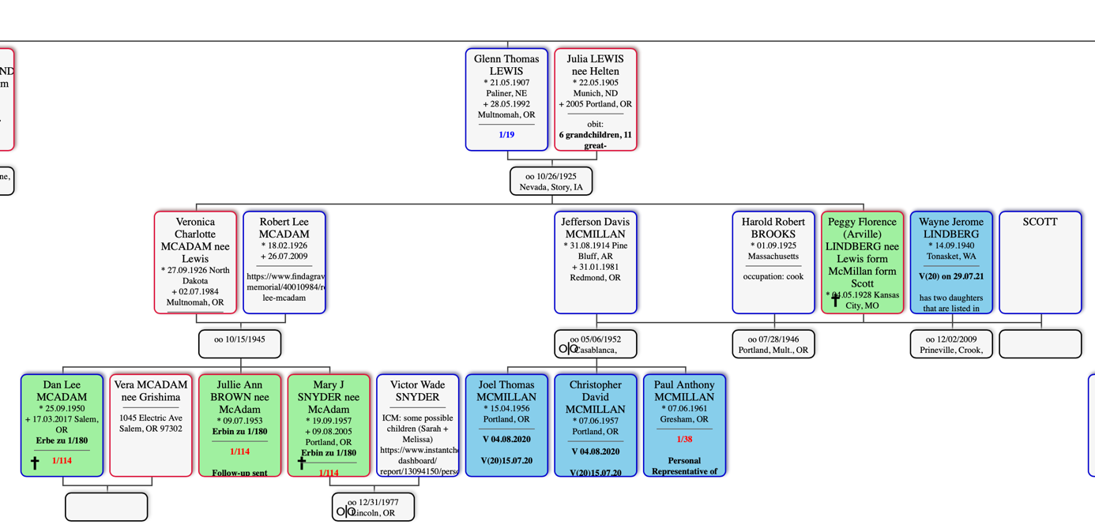

• Glenn Thomas Lewis's branch receives 1/19 of the estate. • He had two children, so each child receives 1/38. • Veronica McAdam died before the deceased, so her 1/38 share is divided equally between her three children, who each receive 1/114. • Peggy Lindberg died after the deceased. Her share is paid to her estate. Her estate's personal representative (her son, Paul McMillan) will distribute it according to Peggy's will.

Per Capita All surviving relatives of the same generation receive equal shares. People who died after the deceased (post-deceased) are treated the same as living relatives—their share goes to their estate. If someone died before the deceased (predeceased), their children do not inherit in their place. Only the living (or post-deceased) relatives of that generation inherit. This method is often used in cases involving second cousins to keep the number of heirs manageable. Examples: • California: Uses this method for second cousin cases. • New York: Uses this method for first cousin cases. If there are no living or post-deceased first cousins, the first cousins once removed inherit instead. If none exist, the estate passes to the state.

Paternal/Maternal Moiety The estate is divided into two equal parts: • 50% goes to the father's side of the family (paternal). • 50% goes to the mother's side of the family (maternal). The heirs on each side then inherit only from that half. The database automatically separates the estate into paternal and maternal halves, but the calculated shares should not always be assumed to be correct and may need to be checked. Exception: • California: In first cousin cases, the estate is not divided into paternal and maternal halves. Instead, it is divided equally among the deceased's aunts' and uncles' family branches, and those shares are then passed down by representation.

Half-Blood A half-blood relative shares only one parent with another relative (for example, a half-brother or half-sister). In every state we do business in except Virginia, half-blood relatives inherit the same way as full-blood relatives.

